MNIST-Pipeline
Topological Pipeline:

Height Data | 8 | 64 | 64 |  | Classifier: Random Forest(n_trees = 1000)
Radial | 9 | 72 | 136
Density Data | 3 | 24 | 160 |  | Accuracy = | 97.16
Line Data | 4 | 32 | 192
Grayscale | 1 | 8 | 200 |  | Drop highly correlated features : >0.95 |  |  | >0.90 | 64 vectors
Grayscale Conjugate | 1 | 8 | 208
Vietoris - Rips | 1 | 2 | 210 |  | Accuracy | 97.05 | 95 vects | 96.75
 |  | 210

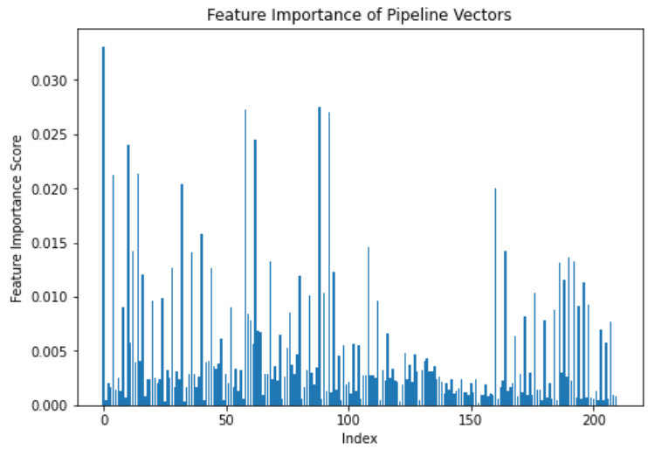
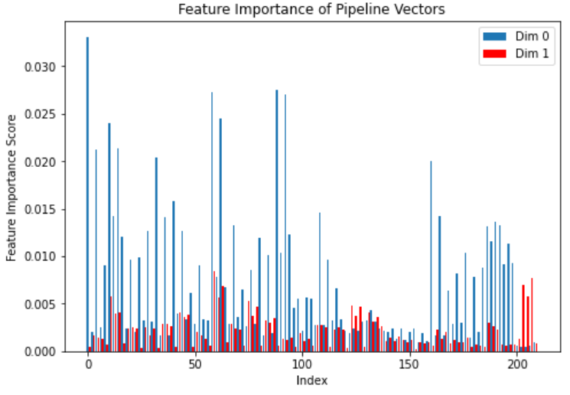
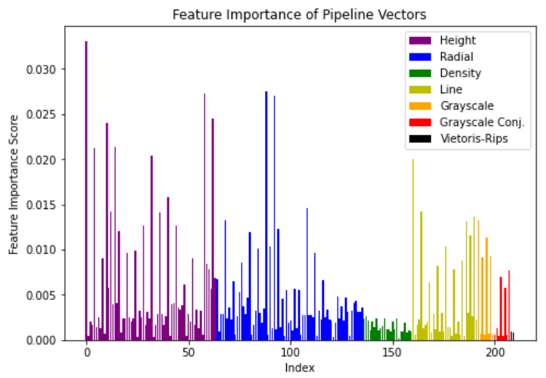

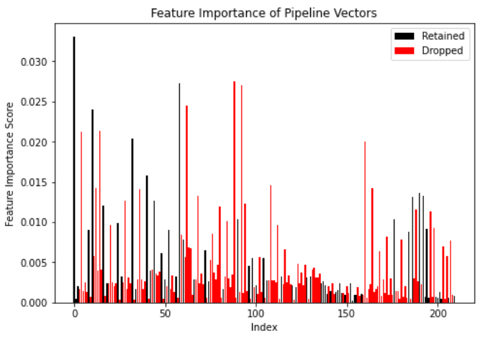
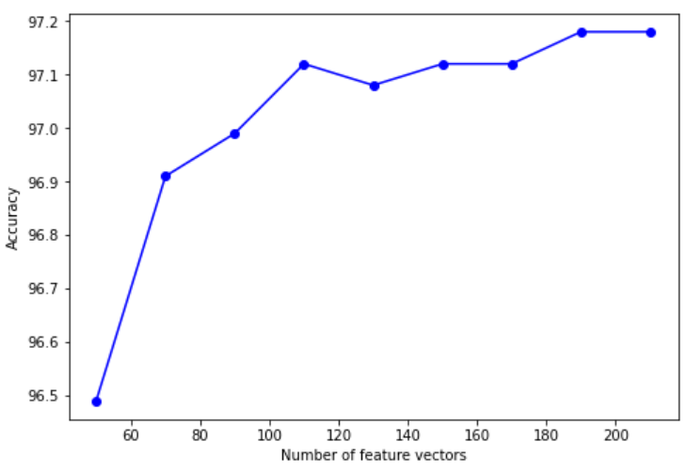
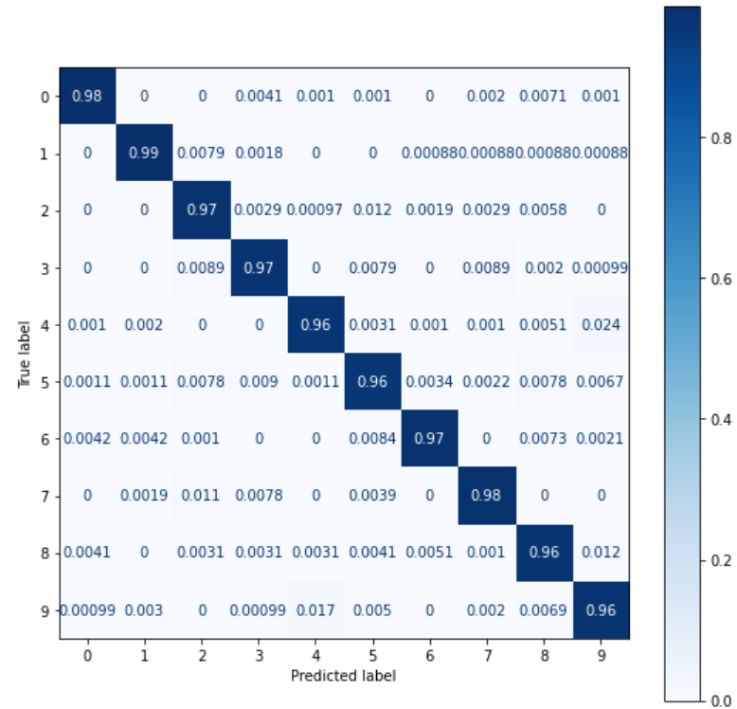
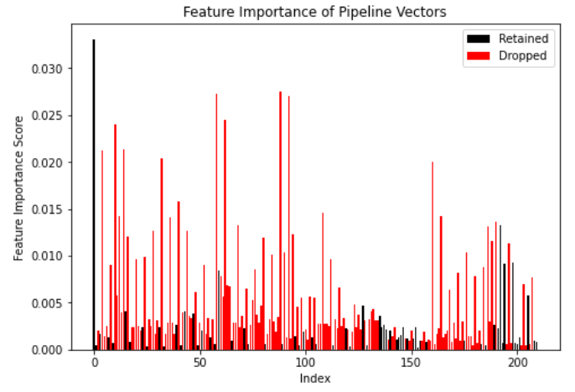

 |  |  |  |  |  |  |  |  |  | 0.95 corr | 0. 90 corr

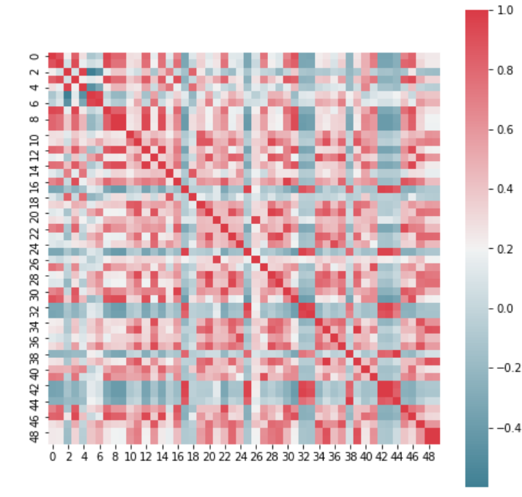
 |  |  |  | Combining with CNN

Flowers Dataset
160 vectors |  | Accuracy: | 64.48 | 48 Vectors | Accuracy: | 67.75 | Images of Flowers:

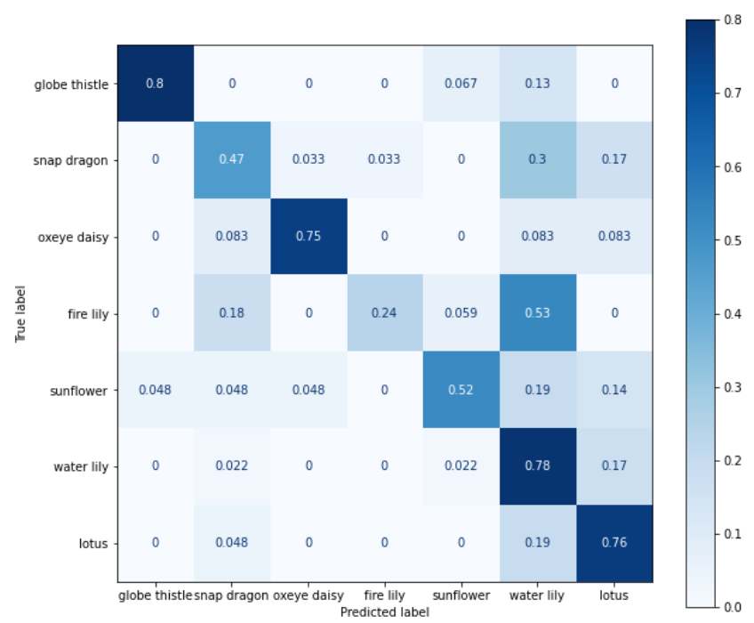
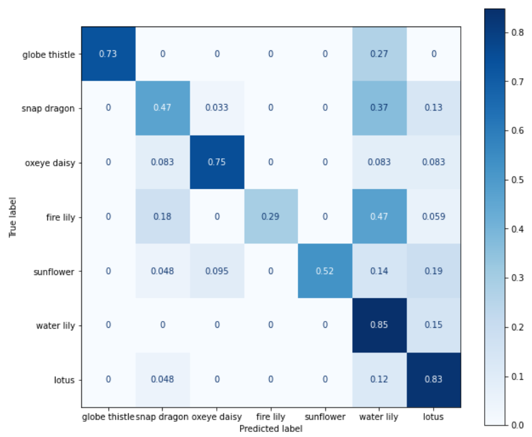
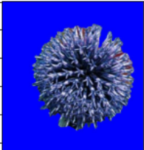

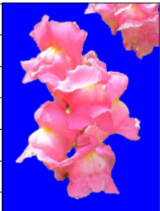


 |  |  |  |  |  |  | globe thistle | fire lily | snap dragon | lotus

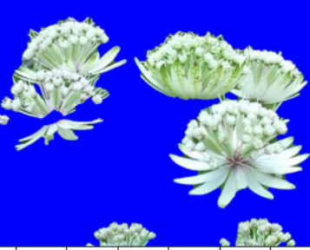



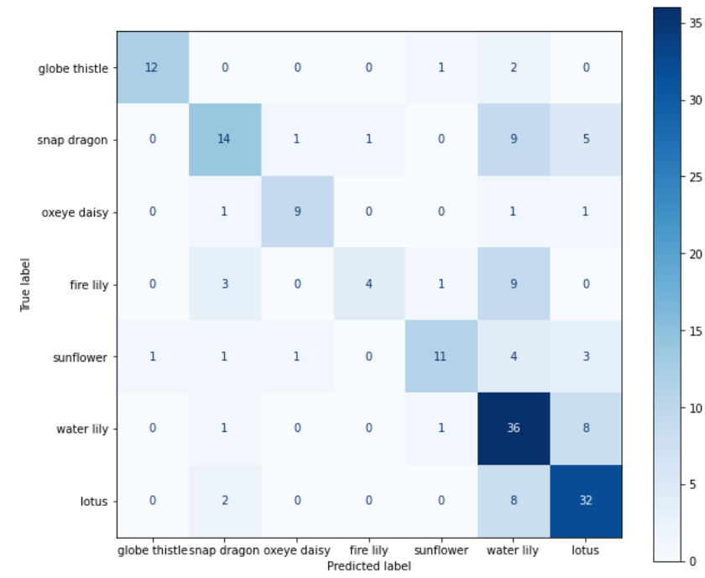
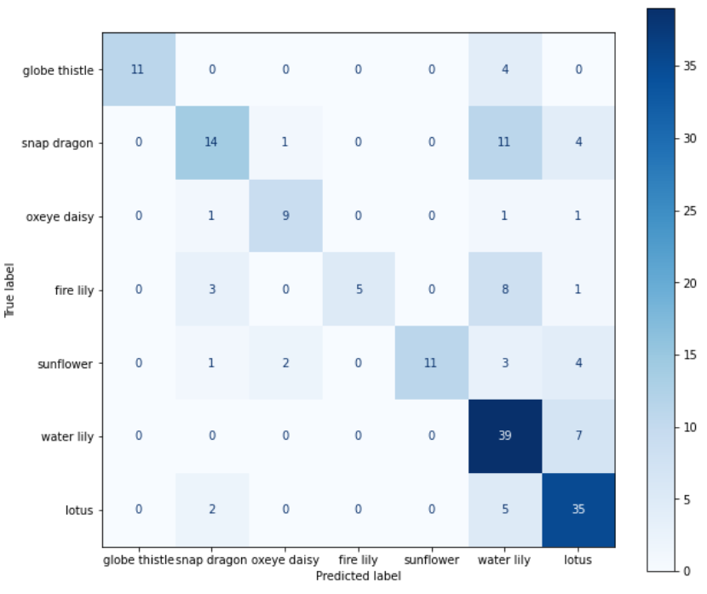

 |  |  |  |  |  |  | oxeye daisy | water lily | sunflower

 | Pipeline

 | Height
 | Radial
 | grayscale R
 | grayscale G
 | grayscale B

